Table 1
Item No. | Inspection and Test Point | Acceptance / Conformance Criteria | Standard / Specification | Verifying Document | Frequency | Verification Activity
 |  |  |  |  |  | Activity | By
SECTION 1 – PRE-CONSTRUCTION (P&G / ESTABLISHMENT)
1.1 General
1.1.1 | Drawings | Prior to starting works, ensure that the construction drawings are both IFC and the Current Version. | Downer | IFC Drawings | Prior to work planning and start | M | PE
1.1.2 | Power Connection Appliction | Submit new streetlighting connection request via WEL Connect portal. | WEL Reqirements | Application Form | Once | H | PE
1.1.3 | Construction Pack | ITP to be submitted to the Engineer and approved prior to works beginning | Downer | In-Eight Document Approval/Acknowl edgement | Submit 10 days prior to commencement of works | H | PE
 |  | Methodology and associated documents to be prepared, reviewed and approved internally prior to work commencement. | Downer | Construction Pack Sign Off | Prior to Construction & after any major incident | M | PE
1.1.4 | Survey Set-out | Ensure streetlight locations are set out per IFC drawings/data. | Design Drawings | ITP Sign Off | Prior to Construction & Every Revision of IFC Drgs / Data | M | PE
1.1.5 | Environmental Protection | Install Erosion Sediment Control measures in line with PWRBSS ESCP plans Inspect, monitor, and maintain ESCP measures weekly and immediately before & after significant weather events | Project ESCP Plans | ITP Sign Off | Prior to Construction Inspect, Monitor, and Maintain Weekly and immediately before and after significant weather events | M | PE
 | Stakeholder | Inform stakeholders of upcoming works Agree plans for maintaining access to properties during construction with landowners | Project Stakeholder Management Plan | ITP Sign Off | Prior to Construction with continue updates throughout the works | M | PE
1.1.6 | Permits | Ground Disturbance Permit must be in place before any ground breaking activity commences, incl. trenching, driving waratahs or survey pegs, and topsoil strip. Permit to Dig will be based on BBO existing Services Drawings, Before U Dig Plans , potholing by the project, CAT & Genny survey, and visual inspections. Doner Permit encompasses external provider permit requirements. | Section 2.2.10 Project Specification | Ground Disturbance Permit DN-ZH-FM043.1 | Prior to Construction Reviewed and Reissued weekly or when site conditions change | H | PE
 |  | All known services must be clearly marked on site and briefed to the workforce .

SECTION 2 – MATERIAL, PERSONNEL & THIRD PARTY APPROVAL
2.1 General
2.1.1 | Walk-over | BBO representative to walk over and confirm/approve locations for install. Including reviewing accessibility of doors. | Design Drawings / RITS 3.6.3 | Written correspondence | Prior to construction | HP | PE / BBO
2.1.2 | Light Poles Materials/Delivery | Evidence of manufacturer and product name. | BBO Request | Delivery Dockets | Once per pole group installation | M | IBEX

SECTION 3 – CONSTRUCTION ACTIVITY
3.1 Civil (Pole) Installations
Item No. | Inspection and Test Point | Acceptance / Conformance Criteria | Standard / Specification | Verifying Document | Frequency | Verification Activity
 |  |  |  |  |  | Activity | By
3.1.1 | Ducting Backfill Material | COVERED UNDER UTILITY TRENCH ITP. Where there is any exposed part of the cable (i.e. between termination of the duct and entry into streetlight pole underground hatch), surround with min. 100mm thickness sand material. | WEL Requirement | Photographs | Verification on random selection of poles | M | IBEX / PE
3.1.2 | Access Hatch/Door Accessibility | Visual check to ensure accessibility of doors. | RITS 3.6.3 | Nil - Visual Check | Each pole | M | IBEX / PE
3.1.3 | Pole Installation Positions | 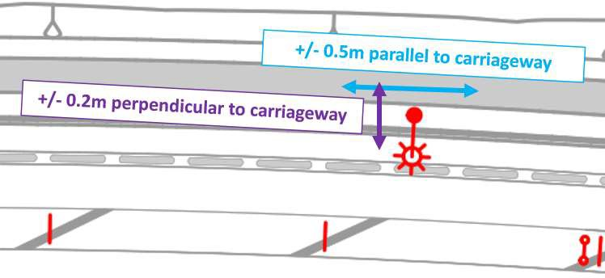 Poles within following tolerances: - +/- 0.5m parallel to the carriageway - +/- 0.2m perpendicular to the carriageway - +/- 0.2m vertically | Design Drawings | As-builts | Each pole | H | PE
3.2 Cabling, Electrical Testing and Commissioning
3.2.1 | Earth Wiring | Photos of streetlight earth once completed. | BBO Request | Photograph | Each earth | M | IBEX / PE
3.2.2 | Electrical Certification | Completed and signed certificate of electrical compliance (COC) and record of inspection (ROI). Confirm that poles are: - Earthed to AS/NZS 3000:2018 - Wired to AS/NZS 3000 and AS/NZS 3008:1.2 - Conforming to the NZ Electrical (Safety) Regulations | Design Drawings | Certificate | Each pole | H | IBEX
3.2.3 | Network Company Acceptance | Written acceptance of all underground cabling and circuitry, including acceptance of assumed responsibility for future maintenance and renewal. | RITS 3.6.8 | Written Correspondance/ Acceptance | Once prior to comissioning | H | WEL

SECTION 4 – POST CONSTRUCTION (FINAL INSPECTION AND HANDOVER)
4.1 General
4.1.1 | Survey As-Builts | Asbuilts reviewed and submitted showing final location of all poles | Project Specification | Survey Data As Built Drawings Photographs Red Pen As- Builts including Undercuts | Post Works Completion | H | PE

